OFFER SHEET
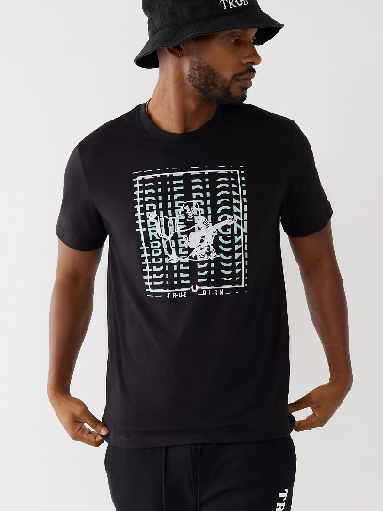
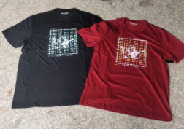
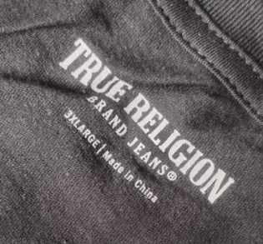
 |  |  |  |  |  |  | 6910 US Hwy 1 Vero Beach, FL 32967

STYLE#： |  | BFT-36013
DESCRIPTION: |  | Men's 60% cotton 40% polyester knitted t-shirt
QUANTITY: |  | 3291 | PIECES |  | 69 | CTNS

CTN |  | COLOR | SIZE |  |  |  |  | QTY | TOTAL | TTLQTY
FROM | TO |  | S | M | L | XL | XXL | CTN | CTNS | (PCS)
1 | 55 | BLACK | 6 | 13 | 15 | 10 | 4 | 48 | 44 | 2112
56 | 57 | BLACK | 18 | 8 | 4 | 8 | 10 | 48 | 2 | 96
58 | 58 | BLACK | 14 | 7 | 2 | 9 | 14 | 46 | 1 | 46
59 | 86 | RED | 7 | 13 | 15 | 9 | 4 | 48 | 19 | 912
87 | 88 | RED | 1 | 14 | 11 | 14 | 8 | 48 | 2 | 96
89 | 89 | RED | 1 | 7 | 5 | 6 | 10 | 29 | 1 | 29
TOTAL： |  |  |  |  |  |  |  |  | 69 | 3291

